Sheet1
Test Case ID |  | TC_Practical-003 | Test Case Desc | Test the functionality of Google Account Login.
Created By |  | Gauri Mahalle | Reviewed By |  |  | Version |  | 1.0
Tester's Name |  |  | Date Tested |  |  | Test Case Status (Passed/Failed/NE)

# | Prerequisites: |  |  | # | Test Data
1 | Access to internet |  |  | 1
2 | Chrome browser |  |  | 2
3 |  |  |  | 3
4 |  |  |  | 4

Test Scenario | Test entire functionality of Google Account Login.

Step # | Step Details |  | Expected Results | Actual Results |  |  | Pass / Fail / Not executed / Suspended
1 | Open the chrome browser. |  | Chrome browser opened successfully.
2 | Navigate to http //accounts.google.com/sign in |  | Google sign-in page is displayed.
3 | Verify the page title and login screen. |  | 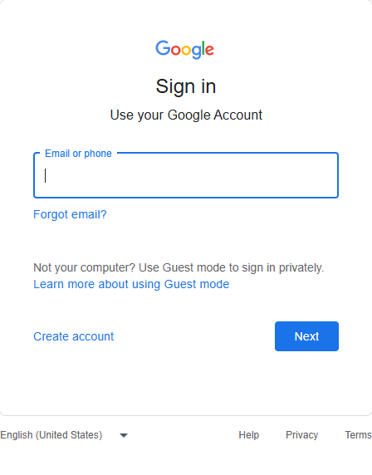 Verify the google sign-in page loads correcttly without any errors.
4 | Click on the email or phone field. |  | The cursor is placed in the email or phone field.
5 | Enter a valid email address. |  | Verify the entered email address is displayed in the field.
6 | Click the next button. |  | Verify that password page is displayed.
7 | The password field is available. |  | Verify that password field is visible and enabled.
8 | Click inside the password field. |  | Verify the cursor is placed in the password field.
9 | Enter the valid password. |  | Verify the password is accepted and displayed masked characters.
10 | Click the next button. |  | Verify the login request is submitted successfully.
11 | Wait for the authentication process to complete. |  | Verify the user authentication completes successfully.
12 | Verify the google account home page is displayed. |  | Verify the user is redirected to the google account home page.
13 | Verify the profile icon is visible. |  | Verify the logged in user profile icon is displayed.
14 | Click the profile icon. |  | Verify the account infromation menu opened successfully.
15 | Verify the logged in email address. |  | Verify the displayed email matches the login credentials.
16 | Open gmail in a new tab. |  | Verify the gmail opens with the same logged in account.
17 | Refresh the gmail page. |  | Verify the user remains logged in after the refresh.
18 | Click the profile icon in gmail. |  | Verify the account options menu is displayed.
19 | Click the sign-out button. |  | Verify the user is logged out successfully.
20 | Verify the sign-in page after logout. |  | Verify the google sign in page is displayed, confirming successful logout

